TestSummary
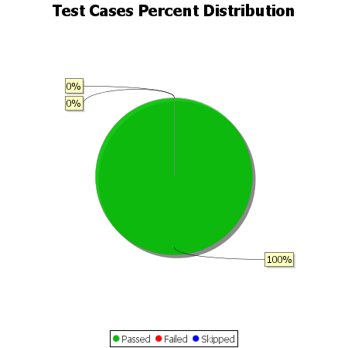
Total Test Cases | 8
Test Cases Passed | 8
Test Cases Failed | 0
Test Cases Skipped | 0

